PV Stabilized LCOE evol
Photovoltaic Electricity Cost
 | Intermitent $/kWh | Li-ion stabilized | AZA Zinc-Air stabilized
2020 | $0.031 | $0.078
2021 | $0.030 | $0.075
2022 | $0.029 | $0.073
2023 | $0.028 | $0.070 | 0.064778617096
2024 | $0.027 | $0.067 | 0.060555890255
2025 | $0.026 | $0.065 | 0.056333163414
2026 | $0.026 | $0.062 | 0.052110436573
2027 | $0.025 | $0.060 | 0.047887709733
2028 | $0.024 | $0.057 | 0.043664982892
2029 | $0.023 | $0.054 | 0.039442256051
2030 | $0.022 | $0.052 | 0.03521952921
 |  |  |  |  |  |  |  | Photovoltaic Electricity

 |  |  |  |  |  |  |  | Levelized Cost Of Energy

 |  |  |  |  |  |  |  | Intermitent Production |  | Battery Stabilized
 |  |  |  |  |  |  |  |  |  | Li-ion |  | AZA Zinc-Air
 |  |  |  |  |  | Year | Year | Avg. | Trend | Avg. | Trend | Avg. | Trend
 |  |  |  |  |  | 2010 | 2010
 |  |  |  |  |  | 2011 | 2011
 |  |  |  |  |  | 2012 | 2012
 |  |  |  |  |  | 2013 | 2013
 |  |  |  |  |  | 2014 | 2014
 |  |  |  |  |  | 2015 | 2015
 |  |  |  |  |  | 2016 | 2016
 |  |  |  |  |  | 2017 | 2017
 |  |  |  |  |  | 2018 | 2018
 |  |  |  |  |  | 2019 | 2019 | $0.032
 |  |  |  |  |  | 2020 | 2020 | $0.031 | -8.6% | $0.078 |  |  |  | Delta
 |  |  |  |  |  | 2021 | 2021 | $0.030 | -7.0% | $0.075 | -3.4% |  |  | AZA / Li-ion
 |  |  |  |  |  | 2022 | 2022 | $0.029 | -6.3% | $0.073 | -3.5%
 |  |  |  |  |  | 2023 | 2023 | $0.028 | -5.7% | $0.070 | -3.6% | $0.065 |  | -7.5%
 |  |  |  |  |  | 2024 | 2024 | $0.027 | -5.1% | $0.067 | -3.7% | $0.061 | -6.5% | -10.2%
 |  |  |  |  |  | 2025 | 2025 | $0.026 | -4.6% | $0.065 | -3.9% | $0.056 | -7.0% | -13.1%
 |  |  |  |  |  | 2026 | 2026 | $0.026 | -4.1% | $0.062 | -4.0% | $0.052 | -7.5% | -16.2%
 |  |  |  |  |  | 2027 | 2027 | $0.025 | -4.1% | $0.060 | -4.2% | $0.048 | -8.1% | -19.7%
 |  |  |  |  |  | 2028 | 2028 | $0.024 | -4.1% | $0.057 | -4.4% | $0.044 | -8.8% | -23.4%
 | Data from [TCO Solar Farm-Containers] |  |  |  |  | 2029 | 2029 | $0.023 | -4.1% | $0.054 | -4.6% | $0.039 | -12.0% | -27.5%
 | 06-Jan-2021 rev. b |  |  |  |  | 2030 | 2030 | $0.022 | -4.1% | $0.052 | -4.8% | $0.035 | -10.0% | -32.0%

 | Parameters subject to variations

L | AZA Perfs (Costs & SceLife) |  | 100% |  | 'DropDown menus'!L3

AI | AZA ZAB energy eff. |  | 55% |  | 'DropDown menus'!AI3

O | Li-ion 2020 performance |  | 100% |  | 'DropDown menus'!O3

F | Inflation Rate |  | 2.0% |  | 'DropDown menus'!F3

I | WACC nominal |  | 4.0% |  | 'DropDown menus'!I3

AF | PV OPEX/CAPEX |  | 2.0% |  | 'DropDown menus'!AF3

C | EUR2USD yearly progress |  | 0.0% |  | 'DropDown menus'!C3

AO | PV Balance of System |  | 125 $/kWp | 'DropDown menus'!AO3

AO | Use Case | << Should be set on "SOLAR FARM"

AZA-Sensitivity PV-LCOE
 | Impact of Intermitent Electricity Cost on Battery Stabilized Electricity Cost
 | 06-Jan-2021 rev. b

Battery Stabilized LCOE
 |  |  |  |  |  |  | Battery parameters

 |  |  |  |  |  |  | AZA | Li-ion
 |  |  |  |  |  |  | $0.008 | $0.029 | <= battery stabilization cost ($ / kWh output)
 |  |  |  |  |  |  | 154% | 118% | <= Electricity cost sensitivity ( / LCOE intermitent)

 |  |  |  |  |  | LCOE | LCOE stabilized |  | AZA vs Li-ion
 |  |  |  |  |  | Solar PV | AZA | Li-ion
 |  |  |  |  |  | $0.080 | $0.131 | $0.123 | 6.3%
 |  |  |  |  |  | $0.075 | $0.123 | $0.117 | 5.1%
 |  |  |  |  |  | $0.070 | $0.116 | $0.111 | 3.8%
 |  |  |  |  |  | $0.065 | $0.108 | $0.105 | 2.3%
 |  |  |  |  |  | $0.060 | $0.100 | $0.100 | 0.6%
 |  |  |  |  |  | $0.055 | $0.093 | $0.094 | -1.3%
 |  |  |  |  |  | $0.050 | $0.085 | $0.088 | -3.4%
 |  |  |  |  |  | $0.045 | $0.077 | $0.082 | -5.8%
 |  |  |  |  |  | $0.040 | $0.069 | $0.076 | -8.6%
 |  |  |  |  |  | $0.035 | $0.062 | $0.070 | -11.9%
 |  |  |  |  |  | $0.030 | $0.054 | $0.064 | -15.8%
 |  |  |  |  |  | $0.025 | $0.046 | $0.058 | -20.4%
 |  |  |  |  |  | $0.020 | $0.039 | $0.052 | -26.1%
 |  |  |  |  |  | $0.015 | $0.031 | $0.047 | -33.3%
 |  |  |  |  |  | $0.010 | $0.023 | $0.041 | -42.5%

 |  |  |  |  |  | $0.005 | X-axis step

 | Interpretation:
 |  when intermitent electricity costs are high (left side), AZA stabilized electricity is only a bit cheaper than Li-ion stabilized.
 |  when intermitent electricity costs are low (right side), AZA stabilized electricity is much cheaper than Li-ion stabilized.

 | PV Solar electricity costs diminished so rapidly that we already are in the Green Zone …
 | and AZA batteries offer storage costs from 25% to 40% cheaper than Li-ion

 | Parameters subject to variations

L | AZA Perfs (Costs & SceLife) |  | 100% |  | 'DropDown menus'!L3

AI | AZA ZAB energy eff. |  | 55% |  | 'DropDown menus'!AI3

O | Li-ion 2020 performance |  | 100% |  | 'DropDown menus'!O3

F | Inflation Rate |  | 2.0% |  | 'DropDown menus'!F3

I | WACC nominal |  | 4.0% |  | 'DropDown menus'!I3

AF | PV OPEX/CAPEX |  | 2.0% |  | 'DropDown menus'!AF3

C | EUR2USD yearly progress |  | 0.0% |  | 'DropDown menus'!C3

AO | PV Balance of System |  | 125 $/kWp | 'DropDown menus'!AO3

AO | Use Case | << Should be set on "SOLAR FARM"

LCOSE Sensitivity Study
LCOSE Sensitivity Study: Competitivity (AZA vs. other chemistry)
 | 06-Jan-2021 rev. b

 | Region

 |  |  |  | Sensivity of: Competitivity (AZA vs. other chemistry) |  |  |  |  |  |  | Competitivity (AZA vs. other chemistry) |  |  |  |  |  | Lev. Cost of AZA ZAB Stabilized Electricity $/kWh
 |  |  |  | 2023 |  | 2028 |  | Variation Range |  |  | 2023 |  |  | 2028 |  |  | 2023 |  |  | 2028
 |  |  |  | Low | High | Low | High | Worst | / | Best | Low | Nominal | High | Low | Nominal | High | Low | Nominal | High | Low | Nominal | High
 | L3 |  | AZA Perfs (Costs & SceLife) | -11% | 7% | -5% | 3% | -20% | / | 20% | 5% | -6% | -14% | -26% | -31% | -34% | 0.093 | 0.084 | 0.077 | 0.054 | 0.051 | 0.048
 | AI3 |  | AZA ZAB energy eff. | -3% | 2% | -3% | 2% | 50% | / | 60% | -4% | -6% | -9% | -28% | -31% | -33% | 0.086 | 0.084 | 0.082 | 0.053 | 0.051 | 0.049
 | O3 |  | Li-ion 2020 performance | -21% | 23% | -17% | 17% | -25% | / | 25% | 14% | -6% | -29% | -14% | -31% | -48% | 0.084 | 0.084 | 0.084 | 0.051 | 0.051 | 0.051
 | F3 |  | Inflation Rate | -1% | 0% | 1% | 0% | -4% | / | 4% | -6% | -6% | -7% | -32% | -31% | -31% | 0.131 | 0.084 | 0.071 | 0.078 | 0.051 | 0.043
 | I3 |  | WACC nominal | 1% | -1% | -1% | 1% | 0% | / | 10% | -7% | -6% | -6% | -30% | -31% | -32% | 0.059 | 0.084 | 0.130 | 0.037 | 0.051 | 0.077
 | AF3 |  | PV OPEX/CAPEX | -1% | 1% | 1% | -1% | 1% | / | 3% | -5% | -6% | -7% | -32% | -31% | -30% | 0.077 | 0.084 | 0.090 | 0.045 | 0.051 | 0.056
 | C3 |  | EUR2USD yearly progress | 0% | 0% | 0% | 0% | -2% | / | 2% | -6% | -6% | -6% | -31% | -31% | -31% | 0.084 | 0.084 | 0.084 | 0.051 | 0.051 | 0.051
 | AO3 |  | PV Balance of System | 0% | 0% | 0% | 0% | -2% | / | 2% | -6% | -6% | -6% | -31% | -31% | -31% | 0.085 | 0.084 | 0.083 | 0.051 | 0.051 | 0.050

 |  | LCOSE Sensitivity in 2023 |  |  |  |  |  | LCOSE Sensitivity in 2028

AZA CyclesNbr
Cycles #
 | Sep-15 | Jul-17 | Jun-18 | Dec-19 | May-20 | Dec-20 | Dec-21 | Dec-22 | Dec-23 | Dec-24 | Dec-25 | Dec-26
40 | 192.25341161 | 330 | 516 | 884 | 1110 | 1110 | 1737 | 2286 | 2972 | 3749 | 4572 | 5487
65 | 110 | 189 | 295 | 506 | 635 | 635 | 994 | 1308 | 1700 | 2145 | 2616 | 3139
80 |  | 149 | 233 | 399 | 500 | 500 | 783 | 1030 | 1339 | 1690 | 2060 | 2472
90 |  | 130 | 203 | 348 | 437 | 437 | 684 | 900 | 1170 | 1476 | 1799 | 2159
100 |  |  | 180 | 308 | 387 | 387 | 606 | 797 | 1036 | 1307 | 1594 | 1913
120 |  |  |  | 250 | 314 | 314 | 491 | 646 | 840 | 1060 | 1293 | 1551
150 |  |  |  |  |  | 240 | 380 | 500 | 650 | 820 | 1000 | 1200
200
AZA Battery |  | Cycles Nbr (depending on Wh/kg partial capacity usage)
Expectations as of 05-Jan-2021

1.15 | = exponentiation factor due to partial capacity usage

 | Cycles Number
 | C/6 | C/6 | C/5 | C/5 | C/5 | C/5 | C/5 | C/5 | C/5 | C/5 | C/5 | C/5 | C/5 | C/5 | C/5 | C/5
*Wh/kg | Sep-15 | Jul-17 | Jun-18 | Dec-19 | May-20 | Dec-20 | Dec-21 | Dec-22 | Dec-23 | Dec-24 | Dec-25 | Dec-26 | Dec-27 | Dec-28 | Dec-29 | LT Goal
40 | 192 | 330 | 516 | 884 | 1110 | 1110 | 1737 | 2286 | 2972 | 3749 | 4572 | 5487
65 | 110 | 189 | 295 | 506 | 635 | 635 | 994 | 1308 | 1700 | 2145 | 2616 | 3139 | 3663 | 4186 | 4709 | 5010
80 |  | 149 | 233 | 399 | 500 | 500 | 783 | 1030 | 1339 | 1690 | 2060 | 2472 | 2885 | 3297 | 3709 | 5010
90 |  | 130 | 203 | 348 | 437 | 437 | 684 | 900 | 1170 | 1476 | 1799 | 2159 | 2519 | 2879 | 3239 | 5010
100 |  |  | 180 | 308 | 387 | 387 | 606 | 797 | 1036 | 1307 | 1594 | 1913 | 2232 | 2550 | 2869 | 4438
120 |  |  |  | 250 | 314 | 314 | 491 | 646 | 840 | 1060 | 1293 | 1551 | 1810 | 2068 | 2327 | 3599
150 |  |  |  |  |  | 240 | 380 | 500 | 650 | 820 | 1000 | 1200 | 1400 | 1600 | 1800 | 2784
200 |  |  |  |  |  |  |  |  |  |  |  |  |  |  |  | 2000
Progress (%/year) |  |  | +40% | +42% | +72% | +0% | +54% | +32% | +30% | +26% | +22% | +20% | +17% | +14% | +13% | +155%
 | *End of life: |  |  |  |  |  | 2 year | 3 year | 4 year | 4.5 year | 5 year | 5 year | 5.5 year | 5.5 year | 6 year | 8 years | *end of life = 80% capacity still available
2 | cycles max / day |  |  |  |  |  | 1440 cy. | 2160 cy. | 2880 cy. | 3240 cy. | 3600 cy. | 3600 cy. | 3960 cy. | 3960 cy. | 4320 cy. | 5760 cy. | *Wh/kg at Cell Level

 |  |  |  | Round Trip Efficiency: |  |  |  | 55% | 55% | 55% | 55% | 55% | 55% | 55% | 55% | 55%

 | * in green are results already obtained in AZA Lab

PV-LCOE
Levelized Cost of Electricity – “Simplified” version
(average of Discounted Values)
 |  |  |  | Region
PV-Solar LCOE (non stabilized) |  |  |  | Best Location (Chile, Emirates…) | North Africa (Tanger, Rabat…) | California | Spain, Portugal, | Germany, UK…
2020-01 estimation |  |  |  | 1 | 2 | 3 | 4 | 5
(ground installation)

CAPEX |  | €/Wp |  | 0.55 | 0.50 | 0.55 | 0.55 | 0.60
staff & local cost |  | €/Wp |  | 0.15 | 0.10 | 0.15 | 0.15 | 0.20
PV panels costs |  | €/Wp |  | 0.40 | 0.40 | 0.40 | 0.40 | 0.40 |  |  | €/Wp #PV01 lowest price 0.25$/Wp)
 |  |  |  |  |  |  |  |  |  |  | [#PV01] regular utility‐scale PV CAPEX of even below 0.50 $/Wp for utility‐scale PV power plants realised in 2019
Production |  | kWh/year / Wp |  | 2.16 | 1.94 | 1.73 | 1.73 | 1.08
Sun Radiation eq. peakPower |  | hour/day |  | 6 | 5.4 | 4.8 | 4.8 | 3
production period |  | day |  | 360 | 360 | 360 | 360 | 360

OPEX |  | €/kWp/year |  | 11.0 | 10.0 | 11.0 | 11.0 | 12.0 |  | <= CONTROL (around 10 €/kWp / year)
share / CAPEX |  | %/year |  | 2.0% | 2.0% | 2.0% | 2.0% | 2.0% |  | 2.0%

Inflation rate |  | % per year |  | 2% | 2% | 2% | 2% | 2% |  | 2.0%
WACC* nominal |  | % per year |  | 4% | 4% | 4% | 4% | 4% |  | 4%
WACC real (inflation deducted) |  | % per year |  | 2% | 2% | 2% | 2% | 2%
PV Performance Degradation |  | % per year |  | -1.1% | -1.0% | -0.8% | -0.8% | -0.8%
on service life |  | % on 20 years |  | -20% | -18% | -15% | -14% | -14%
Extra Costs |  | €/Wp/year |  | 0 | 0 | 0 | 0 | 0
Residual Value |  | €/Wp/year |  | 0 | 0 | 0 | 0 | 0
Service Life |  | years |  | 20 | 20 | 20 | 20 | 20 |  |  | [#PV01] degradation: 2% the 1st year ; then 0.2-0.5%/year

* Weighted Average Cost of Capital

Simplified LCOE (not stabilized) |  | E/kWh |  | 0.023 | 0.023 | 0.028 | 0.028 | 0.048 | 1.100 | EUR2USD in 2020
Simplified LCOE (not stabilized) |  | $/kWh |  | 0.025 | 0.025 | 0.031 | 0.030 | 0.053
evaluation period | 20 | years |  |  |  |  |  |  |  |  | (#PV01) Utility‐scale PV LCOE in 2019 in Europe with 7% nominal weighted average cost of capital (WACC) ranges from 24 €/MWh in Malaga to 42 €/MWh in Helsinki.

*** Computation for a 1000 Whp system ***
Simplified LCOE Numerator | Euros | TOTAL |  | 727 | 661 | 727 | 727 | 793
CAPEX |  |  |  | 0.55 | 0.50 | 0.55 | 0.55 | 0.60 |  |  | By 2030, PV LCOE will range from 14 €/MWh in Malaga to 24 €/MWh in Helsinki with 7% nominal WACC.
OPEX cumulated |  |  |  | 0.18 | 0.16 | 0.18 | 0.18 | 0.19 |  |  | since the 2019 utility‐scale PV CAPEX is around 0.45 - 0.65 $/Wp
OPEX1 factor |  |  |  | 16.1 | 16.1 | 16.1 | 16.1 | 16.1
SUM( (1+i)^(n-1) / (1+WACCnom)^n ) |  | 1 |  | 0.962 | 0.96 | 0.96 | 0.96 | 0.96
 |  | 2 |  | 0.943 | 0.94 | 0.94 | 0.94 | 0.94
 |  | 3 |  | 0.925 | 0.92 | 0.92 | 0.92 | 0.92
 |  | 4 |  | 0.907 | 0.91 | 0.91 | 0.91 | 0.91
 |  | 5 |  | 0.890 | 0.89 | 0.89 | 0.89 | 0.89
 |  | 6 |  | 0.873 | 0.87 | 0.87 | 0.87 | 0.87
 |  | 7 |  | 0.856 | 0.86 | 0.86 | 0.86 | 0.86
 |  | 8 |  | 0.839 | 0.84 | 0.84 | 0.84 | 0.84
 |  | 9 |  | 0.823 | 0.82 | 0.82 | 0.82 | 0.82
 |  | 10 |  | 0.807 | 0.81 | 0.81 | 0.81 | 0.81
 |  | 11 |  | 0.792 | 0.79 | 0.79 | 0.79 | 0.79
 |  | 12 |  | 0.777 | 0.78 | 0.78 | 0.78 | 0.78
 |  | 13 |  | 0.762 | 0.76 | 0.76 | 0.76 | 0.76
 |  | 14 |  | 0.747 | 0.75 | 0.75 | 0.75 | 0.75
 |  | 15 |  | 0.733 | 0.73 | 0.73 | 0.73 | 0.73
 |  | 16 |  | 0.719 | 0.72 | 0.72 | 0.72 | 0.72
 |  | 17 |  | 0.705 | 0.70 | 0.70 | 0.70 | 0.70
 |  | 18 |  | 0.691 | 0.69 | 0.69 | 0.69 | 0.69
 |  | 19 |  | 0.678 | 0.68 | 0.68 | 0.68 | 0.68
 |  | 20 |  | 0.665 | 0.66 | 0.66 | 0.66 | 0.66

 |  | ResidualValue |  | 0.0 | 0.0 | 0.0 | 0.0 | 0.0

Simplified LCOE Denominator | MWh | TOTAL |  | 31.8 | 29.0 | 26.2 | 26.4 | 16.5
ENERGY factor |  |  |  | 14.7 | 14.9 | 15.2 | 15.3 | 15.3 |  | 16.4

 |  |  | Inverter Costs: | 27.5 | $/kWp |  | 5% | decrease/year, starting in 2019 [#PV01] |  |  | [#PV01] 0.021 to 0.029 €/Wp. Inverter price of 0.025 €/Wp is used here for the starting point in 2019
 |  |  | PV BoS Costs: | 125 | $/kWp |  | 5% | decrease/year, starting in 2019 |  |  | [#PV01] BoS : 0.113 €/Wp for FY 2018‐19 in India
 |  |  | Battery Management System (BMS) Costs: (Li-ion) | 6.1 | $/kWp | 2020 | 3% | decrease/year |  |  | [DG : 75% of AliExpress Daly BMS]

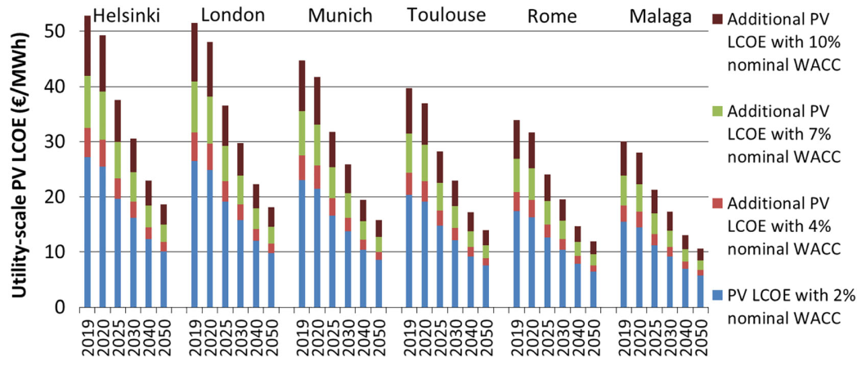
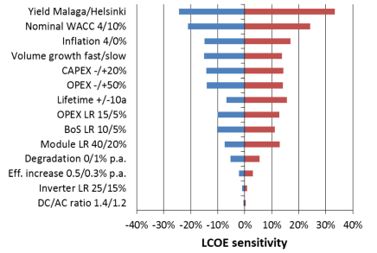

[#PV01] |  |  |  |  |  |  |  |  |  | [#PV01]

15-Jul-2020 rev. b

(ANX) Electricity cost (PV)
Photo Voltaic Parameters (2019)
Cost (panels & support): |  | $/Wp | $0.42
 | Electronics + concrete platforme… |  | 8%
 | otherhead costs |  | 6.0% | <= Tanger => | 30% | salary coef / FR
 | TOTAL COST OF EQUIPT |  | $0.48 | per W peak
 | peak prod eq. | hours | 4.9 | <= Tanger => | 89% | Sun level / Best
 | service life | years | 20 |  | 360 | days/year
 | EndOfLife capacity |  | 80%
 | Maintenance costs |  | 3.0% | per year
 | Life TCO | $/ kWp | $625
 | Life production | Wh / Wp | 31720
 | Levelized Cost Of Energy (bef Fin.) | $/kWh | $0.020
 | Financial costs |  | 3.0% | per year
 | Life Total Financial Costs | $/ kWp | $144
 | Levelized Cost Of Energy (incl. Fin.) | $/kWh | $0.024
21-Apr-2020 rev. a

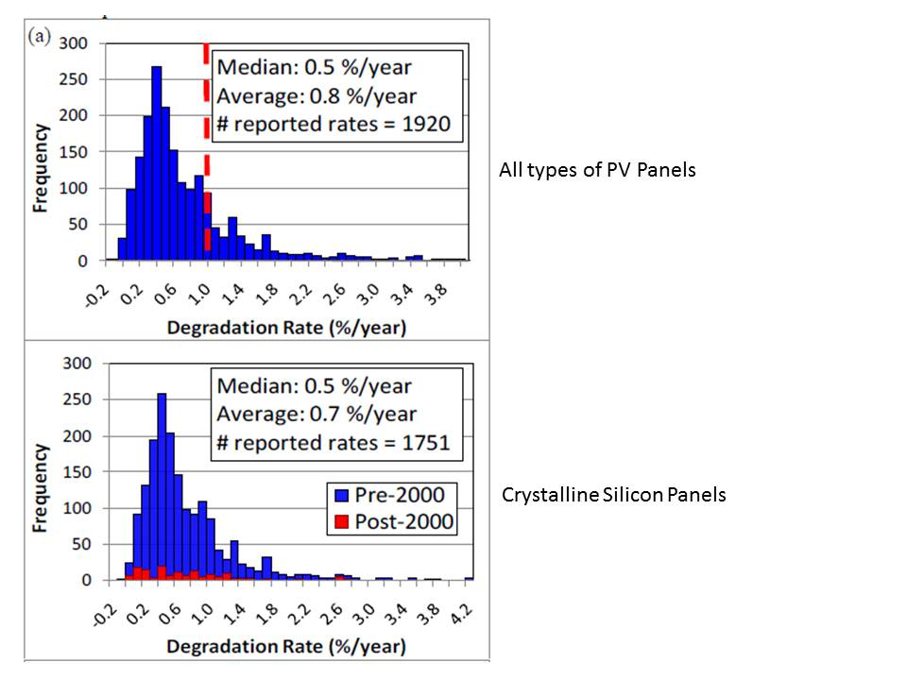
Solar panels degradation rate
 |  |  |  |  |  | https://energyinformative.org/lifespan-solar-panels/
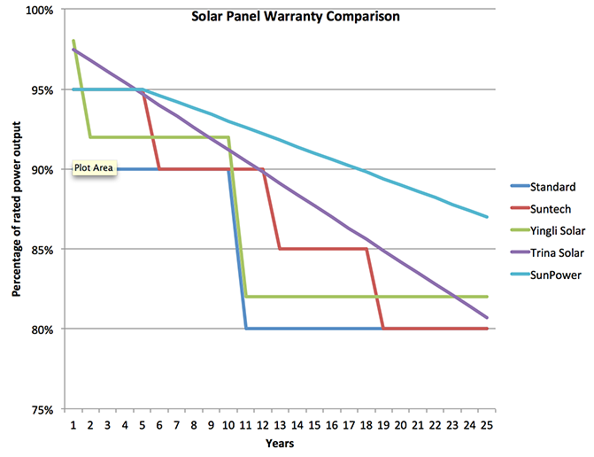

https://www.engineering.com/DesignerEdge/DesignerEdgeArticles/ArticleID/7475/What-Is-the-Lifespan-of-a-Solar-Panel.aspx

Refs:
#PV01 | Aug-19 | Impact of weighted average cost of capital, capital expenditure, and other parameters on future utility‐scale PV levelised cost of electricity
 |  | E U P V S E C P A P E R, Eero Vartiainen1 | Gaëtan Masson2 | Christian Breyer3 | David Moser4 | Eduardo Román Medina

